Table 1

Selected Acquisition Report (SAR)
RCS: DD-A&T(Q&A)823-424
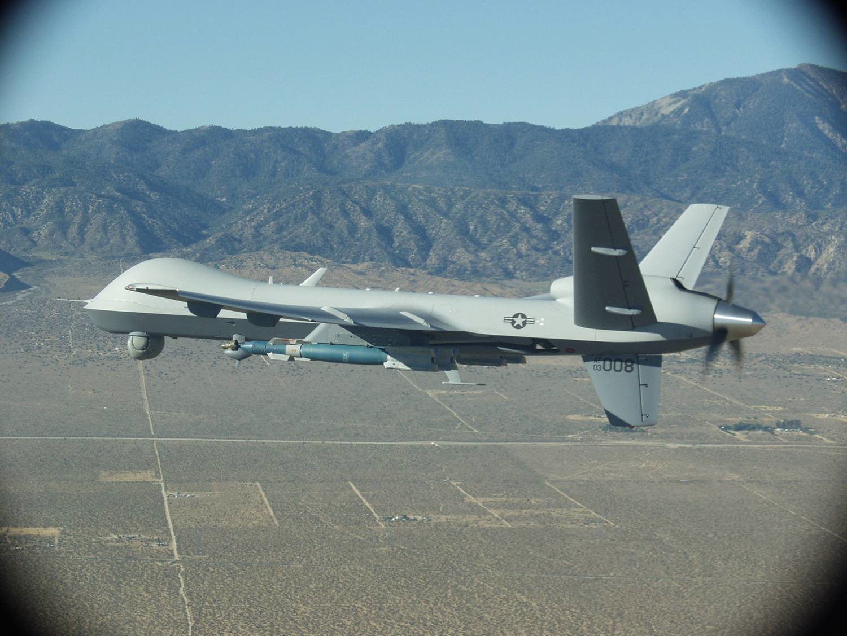
MQ-9 Reaper Unmanned Aircraft System (MQ-9 Reaper)
As of FY 2017 President's Budget
Defense Acquisition Management Information Retrieval
(DAMIR)

Table 10
Schedule
Schedule Events
Events | SAR Baseline Production Estimate | Current APB Production Objective/Threshold |  | Current Estimate
Milestone B ACAT II | Feb 2004 | Feb 2004 | Feb 2004 | Feb 2004
Milestone C ACAT II Block 1 | Feb 2008 | Feb 2008 | Feb 2008 | Feb 2008
IOT&E for Block 1 | May 2008 | May 2008 | May 2008 | May 2008
RAA | Sep 2010 | Jun 2012 | Jun 2012 | Jun 2012
Milestone C ACAT ID Increment 1, Block 5 | Mar 2011 | Nov 2012 | Nov 2012 | Nov 2012
FOT&E for Increment I Block 5 | Nov 2012 | Nov 2013 | Oct 2014 | Sep 20161
FRP Decision for Increment I Block 1 and 5 | Mar 2013 | Jul 2014 | Jun 2015 | N/A1
1 APB Breach
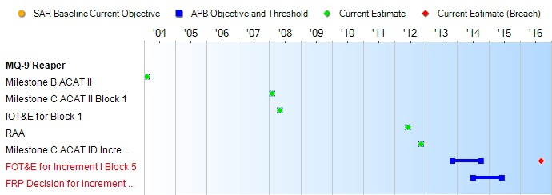
(Ch-1)
(Ch-2)
Change Explanations
(Ch-1) The current estimate for FOT&E for Increment I Block 5 changed from April 2016 to September 2016 based on thermal management mitigations in work, overlapping test priorities, and limited aircrew availability. The Program Office worked with the test community and the user to address all three of these issues resulting in successful IOC. The Program Office held an Operational Test Readiness Review on December 3, 2015 and received approval from the PEO Intelligence, Surveillance, & Reconnaissance & Special Operations Forces to enter FOT&E. The last test event is projected to be completed in August 2016 with the final test report being delivered by September 30, 2016 which is within the schedule threshold approved at the December 2013 MQ-9 Configuration Steering Board.
(Ch-2) The FRP event changed from TBD to N/A as a result of the August 2013 Air Force Review Board approving the removal of the FRP milestone. The FRP milestone was removed because the program reached maximum production rate in FY 2011; It will be replaced by an In Progress Review. In addition, the program will already have delivered and contracted for the majority of production aircraft at the time of the baselined FRP date.
Notes

Table 31
Unit Cost History
Item |  |  |  |  | Date |  |  | BY 2008 $M |  |  |  |  |  | TY $M
 |  |  |  |  |  |  |  | PAUC |  | APUC |  |  |  | PAUC |  |  | APUC

Original APB |  |  | Feb 2012 |  |  |  |  | 28.568 |  |  |  | 25.940 |  |  | 32.396 |  |  | 29.604
APB as of January 2006 |  |  | N/A |  |  |  |  | N/A |  |  |  | N/A |  |  | N/A |  |  | N/A
Revised Original APB |  |  | N/A |  |  |  |  | N/A |  |  |  | N/A |  |  | N/A |  |  | N/A
Prior APB |  |  | Feb 2012 |  |  |  |  | 28.568 |  |  |  | 25.940 |  |  | 32.396 |  |  | 29.604
Current APB |  |  | Dec 2012 |  |  |  |  | 28.697 |  |  |  | 25.375 |  |  | 32.945 |  |  | 29.340
Prior Annual SAR |  |  | Dec 2014 |  |  |  |  | 29.614 |  |  |  | 26.225 |  |  | 33.808 |  |  | 30.163
Current Estimate |  |  | Dec 2015 |  |  |  |  | 30.121 |  |  |  | 26.576 |  |  | 34.330 |  |  | 30.523
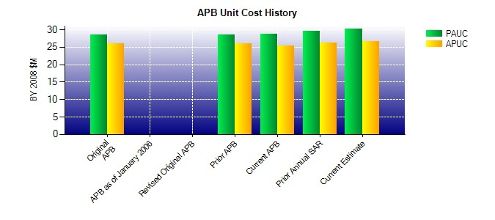
SAR Unit Cost History
Current SAR Baseline to Current Estimate (TY $M)
Initial PAUC Production Estimate | Changes |  |  |  |  |  |  |  |  |  |  |  |  |  |  | PAUC Current Estimate
 | Econ | Qty |  | Sch |  | Eng | Est |  | Oth |  | Spt |  | Total
30.268 0.279 1.517 0.225 3.024 -3.155 0.000 2.172 4.062 34.330
Current SAR Baseline to Current Estimate (TY $M)
Initial APUC Production Estimate | Changes |  |  |  |  |  |  |  |  |  |  |  |  |  |  | APUC Current Estimate
 | Econ | Qty |  | Sch |  | Eng | Est |  | Oth |  | Spt |  | Total
28.005 0.302 1.263 0.199 1.514 -3.041 0.000 2.281 2.518 30.523

